Intro
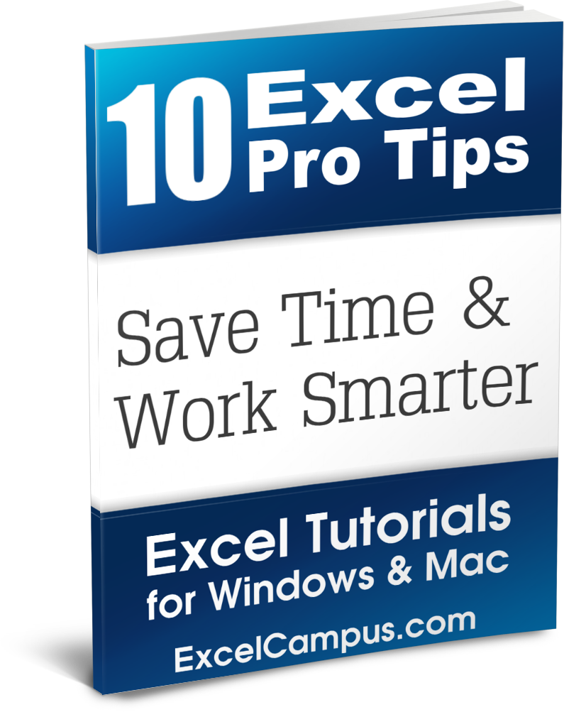
Excel Pro Tips Workbook

This file is meant to be used as a supplement to the
Excel Formula Tricks book. Each worksheet in this
file is numbered and matches the chapters in the
book.

Please use this to follow along with the book and
practice these techniques. I really hope these tips
will save you time with your everyday tasks.

I would love to hear from you and learn some of
your own time saving techniques. Please leave a
comment at the following link and/or email me if
you have any questions.

http://www.excelcampus.com/excel-formula-tricks-ebook

Thank you!

Jon Acampora
Excel Campus
jon@excelcampus.com

1. AutoSum
1. AutoSum – Let Excel Write the Formulas for You

AutoSum Basics

1. Select blank cells to thre right of rows of numbers (G3:G6).
2. Click AutoSum button or Alt+=
 | Region | Q1 | Q2 | Q3 | Q4 | Total
 | North | 396 | 644 | 622 | 412
 | South | 702 | 200 | 458 | 729
 | East | 505 | 358 | 609 | 252
 | West | 264 | 403 | 469 | 357
 | Total

1. Select blank cells below columns of numbers.
2. Click AutoSum button or Alt+=

AutoSum Advanced: SUBTOTAL

 | Region | Q1 | Q2 | Q3 | Q4 | Total
 | North | 396 | 644 | 622 | 412
 | East | 505 | 358 | 609 | 252
 | West | 264 | 403 | 469 | 357
 | Total | 1,165

Apply AutoSum to a filtered list to generate the SUBTOTAL function. Calculates sum of visible cells only.

2. F2 & Escape
2. F2 and Escape Keys
What's wrong with this formula? 1. Press F2 to jump into formula edit mode. This allows you to edit the formula in the cell, and quickly view ranges that are referenced in the formula.
You will see that sum_range argument does not extend to cell D4.
2. Then press Escape to exit the formula edit mode without making changes.
Region | Color | Sales
North | Red | 396
South | Red | 702
East | Blue | 505
West | Blue | 264
 |  | 1,867

South | Red | 1207

3. Select with Ctrl
3. Select Multiple Cells with the Ctrl Key

Sales by Product | Q1
Product A
Orange | 1,231
Blue | 2,343
Red | 1,125
Product A Total | 4,699
1. Type =SUM( in cell C18.
2. Hold the Ctrl key and select product total cells with the mouse to quickly create SUM formula.
3. Close the formula with a parenthesis ) and press Enter.
Mac users, you're off the hook on this one. The feature is built in for you!
Product B
Green | 563
Red | 2,131
Product B Total | 2,694
Product C
Orange | 5,443
Red | 432
Product C Total | 5,875
Grand Total

4. Enter Edit Mode
4. Enter and Edit Modes
Enter & Edit Modes are displayed in the bottom left corner of the Excel window when you are editing a formula.
To see this in action:
1. Press F2 on the keyboard to edit the formula.
You should see the word "EDIT" in the bottom-left corner of the Excel Window.
2. Press F2 again to change to ENTER mode.
When ENTER mode is enabled you can use the arrow keys on the keyboard to select cells in a function argument.
3. Press F2 again to change to EDIT mode.
1
2
3
4
10

5. Screentips
5. Formula Screentips

Region | Color | Sales
North | Red | 396
South | Red | 702
East | Blue | 505
West | Blue | 264
 |  | 1,867

South | Red | 702

 | South | 702

The ScreenTip about the Function appears below the formula when editing a function witin the formula.
1. Press F2 on the keyboard to edit the formula.
2. Place the cursor inside the parentheses of the VLOOKUP function to view the ScreenTip.

6. Go To Reference
6. Go To Cell or Range Referenced on a Different Worksheet

 | South | 32

This reference is on another sheet. How do I quickly get to that sheet?
1. Press F2 on the keyboard to edit the formula.
2. Place the cursor inside the VLOOKUP function parentheses to view the ScreenTip
3. Click the word table_array in the ScreenTip with the mouse to select it.
4. Press F5 on the Keyboard to open the Go To Menu.
5. The range reference is automatically copied into the Refernce box. Press OK to Go To the worksheet that contains the reference.

 |  | 32 | <- You will find this cell later…

7. Function Window
7. Function Arguments Window

Region | Color | Sales
North | Red | 396
South | Red | 702
East | Blue | 505
West | Blue | 264
 |  | 1,867

South | Red | 702

Open the Function Arguments Window to see an organized list of the argmuments.
The list includes values within each range
Shift+F3 is the keyboard shortcut to open the window.

8. Formula Bar Size
8. Increase the Size of the Formula Bar

1 | Yes
Red | East | 44

The formula in cell D5 is very long and won't display in one line of the Formula Bar above the spreadsheet.
The formula bar can be expanded with the mouse. Press Ctrl+Shift+U to expand/collapse the Formula Bar.

9. Structure References
9. Excel Tables & Structure References
This is an Excel Table.
They are packed with features to save you time, and I recommend you checkout my vidoe on Tables to learn more. Click the link below.
http://www.excelcampus.com/tables-video
Take a look at some of the formulas in the Table to the right. You will see column names instead of cell addresses. These are Structure References. Learning structured reference formulas will save you time!

Region | Color | Sales | Profit | Margin
North | Red | 396 | 25 | 6%
South | Red | 702 | 134 | 19%
East | Blue | 505 | 23 | 5%
West | Blue | 264 | 200 | 76%
Total |  | 1,867 | 382

 | 496 | 496

The two formulas above calculate the SUM of the exact same range. The formula on the left (cell C17) uses regular cell references.
=SUM(Data!C2:C9)
The formula on the right (cell D17) uses structured references. =SUM(DataTable[Sales])
With the structured reference formula it is really easy to see that the formula is calculating the sum of Sales in the DataTable. It is impossible to know this by reading the formula that contains the cell references, and you are forced to navigate to the 'Data' sheet to see what cells C2:C9 contain.
The structured reference formulas are also very easy and intuitive to write.

10. Trace Dependents
10. Trace Dependents

Time for a Quiz! :-)
What is the name of the worksheet that contains a formula that is dependent on this sheet?
Ok, here's how to find the answer.
1. Select any cell in the table above (select a cell below the header row).
2. Press the keyboard shortcut Alt+T+U+D to trace dependents. You can also use the Trace Dependents button on the Formulas tab in the ribbon.
A dashed line pointing to a spreadsheet icon should appear next to the selected cell.\
3. Double left-click the black dashed line with the mouse. The Go To box will open.
4. You answer is listed in the box. Double click the item in the list to go to that sheet and view the formula that is dependent on this worksheet.
Region | Color | Sales
North | Red | 20
South | Red | 32
East | Blue | 44
West | Blue | 56
South | Red | 68
East | Blue | 80
South | Red | 92
East | Blue | 104

